Business Department Assessment
Learning Outcomes | Courses in which outcome is assessed | Assignment/instrument used to assess outcome | Most recent semester in which assessment was delivered | Brief summary of most recent findings | Actions taken to improve teaching and learning and to inform planning and budgeting | Rubric Scores Against Benchmark
Accounting
Learning Outcome One: Students will demonstrate interpersonal skills that allow them to function effectively as a team leader or team member, as required in a workplace setting. | BUS 451 Business Capstone and supporting Business Enterprise Core classes | Business Case Simulation and Business Department Approved Group Work Rubric | Spring 2022 | Rubric scores from the evaluators averaged 18.3/20, 91.5%. This is in line with last year’s score of 18.3/20, 91.5% and exceeds the goal, 15/20, 75%. | Continue to have students work in groups in the core business classes. | 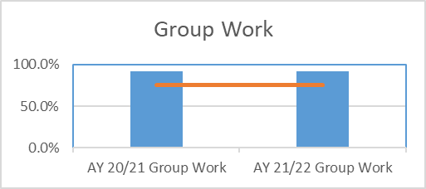
Learning Outcome Two: Students will be able to solve specific accounting problems that require critical analysis, evaluation, and interpretation of information. | BUS 451 Business Capstone and supporting accounting classes | Business Case Study and Business Department approved Critical Analysis Rubric |  | The Business Department is not assessing critical thinking during the 2021-2022 Academic Year. | The Business Department will continue to use assignments in core classes that utilize critical analysis rubric. Assignments in supporting classes will utilize the critical thinking rubric to better assess productivity in those classes.
Learning Outcome Three: Students will be able to express orally and in writing complex accounting concepts using appropriate terminology, formats, and techniques. | BUS 451 Business Capstone and supporting Business Enterprise Core classes | Oral Presentation on Business Capstone Simulation: Business Department Approved Oral Presentation Rubric and Business Capstone Simulation: Business Department Approved Writing Rubric. |  | The Business Department is not assessing oral presentation and writing during the 2021-2022 Academic Year. | Continue to have students present within the Business Enterprise Core focusing on the importance of not reading from a prompt and developing creativity. Presentations will occur in all business core courses. Will require students to go to the Writing Center before assignments are submitted.
Learning Outcome Four: Students will demonstrate mastery of the basic concepts in accounting and analytical skills at a level appropriate for graduates in the field, including financial and managerial accounting, auditing, and taxation. | BUS 451 Business Capstone and Peregrine Testing and supporting accounting classes. | Peregrine Exam Results | Spring 2022 | Peregrine scores results showed scores of 61.8% versus last year's results of 67.3%. . Goal: 50% Peregrine Exam | Address concepts largely missed on exam in intermediate and advanced accounting classes. Scores on Management of Accounting were not as solid as scores in other areas on the Peregrine exam. Evaluation of ACC 340 will take place to determine whether information is sufficient in this area. | 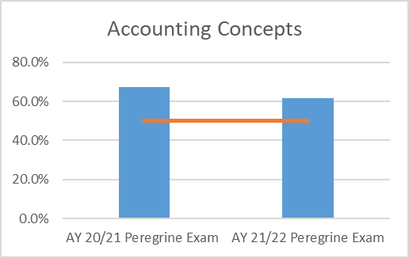
Learning Outcomes Five: Students will demonstrate basic knowledge of current domestic and global accounting issues. | Peregrine Testing and supporting Business Enterprise Core class, International Accounting. | Peregrine Exam Results | Spring 2022 | Peregrine scores results showed scores of 52.7% versus last year's results of 51.8%. Goal: 50% or higher. | Continue to include global dimensions of accounting in required International Accounting course. | 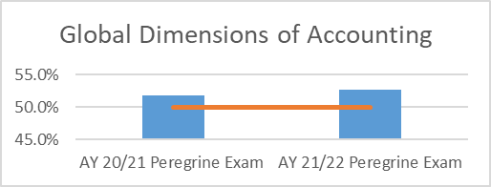
Learning Outcome Six: Students will demonstrate an understanding of the role of ethical behavior and social responsibility in accounting and evaluate the impact of business decisions on others and appreciate the role that business can play in societal change. | BUS 451 Capstone and supporting Business Enterprise Core classes. | Peregrine Exam Results | Spring 2022 | Scores in the area of Ethics on the Peregrine exam were 73.6%. This is above last year's score of 50.9%. Goal: 50% or higher. | Continue to incorporate current event assignments that relate with accounting ethical issues in the accounting classes. | 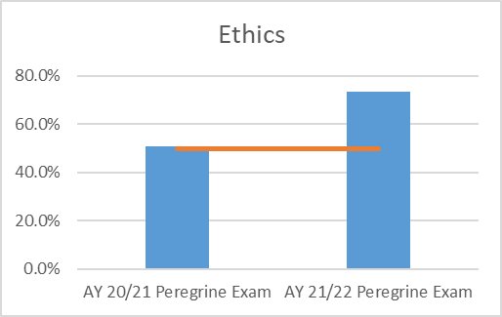
Learning Outcomes | Courses in which outcome is assessed | Assignment/instrument used to assess outcome | Most recent semester in which assessment was delivered | Brief summary of most recent findings | Actions taken to improve teaching and learning and to inform planning and budgeting | Rubric Scores Against Benchmark
Business Management
Group Work
 | Group Work | Benchmark
Group Work | 0.946 | 75%
 |  | 75%
Learning Outcome 1: Students will demonstrate interpersonal skills that allow them to function effectively as a team leader or team member, as required in a workplace setting. | BUS 451 Supporting Classes: Business Enterprise Core Classes | Business Case Simulation/Group Work Rubric | Spring 2022 | Rubric scores from the evaluators averaged 18.92/20. This is a slight increase over last year’s score of 18/20. Goal: 14/20 | Spend more time face-to-face in class discussing teamwork process and progress.
Learning Outcome 2: Students will be able to solve specific business problems that require critical analysis, evaluation, and interpretation of financial information. | BUS 451 Supporting Classes: Business Enterprise Core Classes | Business Case Study/Critical Analysis Rubric |  | The Business Department is not assessing critical thinking during the 2021-2022 Academic Year.
Learning Outcome 3: Students will be able to express orally and in writing complex business concepts, using appropriate terminology, formats and technologies. | BUS 451 Supporting Classes: Business Enterprise Core Classes | Oral Presentation on Business Capstone Simulation/ Department Approved Oral Presentation Rubric and for Writing - Business Capstone Simulation: Business Department Approved Writing Rubric. |  | The Business Department is not assessing oral and written presentation during the 2021-2022 Academic Year.
International Economy
 | International | Economics
International | 59% | 50%
Economics | 59% | 50%
Learning Outcome 4: Students will demonstrate basic knowledge of the international economy, especially as it pertains to the business enterprise. | BUS 451 Supporting Classes: Business Enterprise Core Classes | Peregrine Test Results | Spring 2022 | Peregrine scores results showed scores of 59.2% for international and 58.8 for economics. Goal: 50% on Peregrine Goal: 50% Peregrine Exam | International legal and political issues appear to be a weakness. Plan to spend more classtime addressing the legal and political aspects of doing business internationally.
Core Areas
 | Core Areas | Benchmark
Quantitative | 63% | 50%
Marketing | 67% | 50%
Management | 58% | 50%
Accounting | 63% | 50%
Learning Outcome 5: Students will demonstrate mastery of the basic concepts and analytical skills in management, marketing, accounting, finance, economics and quantitative decision making and understand the interdisciplinary nature of these areas, as a level appropriate for graduates of an undergraduate major in the field. | BUS 451 Supporting Classes: Business Enterprise Core Classes | Peregrine Test Results | Spring 2022 | Peregrine score results showed scores of 62.8% for quantitative, 66.8% for marketing, 57.67% for management and 62.8% for accounting. Goal: 50% Peregrine Exam | Business enterprise concepts will be added to readings and discussed with specific cases in class.
Ethics
 | Ethics | Benchmark
Ethics | 66% | 50%
 |  | 50%
Learning Outcome 6: Students will demonstrate an understanding of the role of ethical behavior and social responsibility in business, understand and evaluate the impact of business decisions on others, and appreciate the role that business can play in societal change. | BUS 451 Supporting Classes: Business Enterprise Core Classes | Peregrine Test Results | Spring 2022 | Peregrine score results showed 66.4% for ethics. Goal: 50% Peregrine Exam | Continue to incorporate current event assignments that relate with business ethical issues in the core classes.
Learning Outcomes | Courses in which outcome is assessed | Assignment/instrument used to assess outcome | Most recent semester in which assessment was delivered | Brief summary of most recent findings | Actions taken to improve teaching and learning and to inform planning and budgeting | Rubric Scores Against Benchmark
International Business
Group Work
 |  | Benchmark
20/21 AY Group Work | 95% | 75%
21/22 AY Group Work | 83% | 75%
Learning Outcome One: Students will demonstrate interpersonal skills that allow them to function effectively as a team leader or team member, as required in a workplace setting. | BUS 451 Supporting Classes: Business Enterprise Core Classes | Business Case Simulation/Group Work Rubric | Spring 2022 | Rubric scores from the evaluators averaged 16.5/20. This is a decrease over last year’s score of 19/20. Goal: 15/20 | Continue to have students work in groups in the core business classes. Consideration will be given on creating individual roles within the group.
Learning Outcome Two: Students will be able to solve specific international business problems that require critical analysis, evaluation, and interpretation of information. | BUS 451 Supporting Classes: ECO 131 and 132. BUS 220 and BUS 221 | Business Case Study/Critical Analysis Rubric |  | The Business Department is not assessing critical thinking during the 2021-2022 Academic Year. | The Business Department will continue to use assignments in core classes that utilize critical analysis rubric. Assignments in supporting classes will utilize the critical thinking rubric to better assess productivity in those classes.
Learning Outcome Three: Students will be able to express orally and in writing complex business concepts using appropriate terminology, formats and techniques. | BUS 451 Supporting Classes: Business Enterprise Core Classes | Oral Presentation on Business Capstone Simulation/ Department Approved Oral Presentation Rubric and for Writing - Business Capstone Simulation: Business Department Approved Writing Rubric. |  | The Business Department is not assessing oral and written presentation during the 2021-2022 Academic Year. | Continue to have students present within the Business Enterprise Core focusing on the importance of not reading from a prompt and developing creativity. Presentations will occur in all business core courses. Will require students to go to the Writing Center before assignments are submitted.
Mastery of IB Concepts
 | Mastery of IB Concepts | Benchmark
20/21 AY IB Concepts | 54% | 50%
21/22 AY IB Concepts | 58% | 50%
Learning Outcome Four: Students will demonstrate mastery of the basic concepts and analytical skills in international management, international marketing, international accounting, international finance, quantitative decision making at a level appropriate for graduates in the field. | BUS 451 and Peregrine Testing Supporting Classes: International Finance, Business, Marketing, and Management | Peregrine Test Results | Spring 2022 | Peregrine scores results showed scores of 58% versus last year's results at 54.43%. Goal: 50% Peregrine Exam | Address concepts largely missed on exam in intermediate international classes. Scores on the International Governance and Regulation and multinational culture were not as solid as scores in other areas on the Peregrine exam. Evaluation of BUS 309 will take place to determine whether information is sufficient in this area.
Ethics
 |  | Benchmark Line
20/21 AY Ethics | 50% | 50%
21/22 AY Ethics | 60% | 50%
Learning Outcome Five: Students will demonstrate an understanding of the role of ethical behavior and social responsibility in international business, understand and evaluate the impact of business decisions on others and appreciate the role that business can play in societal change. | BUS 451 Supporting Classes: All Enterprise Business Core Classes | Peregrine Exam | Spring 2022 | Scores in the area of Ethics on the Peregrine exam were 60%. This is above last year's score of 50%. Goal: 50% or higher. | Continue to incorporate current event assignments that relate with business ethical issues in the core classes.
Learning Outcomes | Courses in which outcome is assessed | Assignment/instrument used to assess outcome | Most recent semester in which assessment was delivered | Brief summary of most recent findings | Actions taken to improve teaching and learning and to inform planning and budgeting
Finance
Learning Objective 1
 | Actual | Benchmark
 | 0.8 | 0.75
 | 1 | 0.75
Learning Outcome 1: Students will demonstrate interpersonal skills that allow them to function effectively as a team leader or team member, as required in a workplace setting. | BUS 451 Supporting Classes: Business Enterprise Core Classes | Business Case Simulation/Group Work Rubric | Spring 2022 | 2021 Group Assessment Rubric, Overall: Benchmark: 15/20 Actual: 16/20 2022 Group Assessment Rubric, Overall: Benchmark: 15/20 Actual: 20/20 | Continue to have students work in groups in the core areas of the program including any major required courses
Learning Outcome 2: Students will be able to solve specific business problems that require critical analysis, evaluation, and interpretation of financial information. | BUS 451 Supporting Classes: Business Enterprise Core Classes | Business Case Study/Critical Analysis Rubric | Spring 2022 | Not assessed in 2022 | The Business department will continue to use assignments in core classes that utilize critical thinking rubrics to improve assessment measures and productivity in those classes
Learning Outcome 3: Students will be able to express orally and in writing complex business concepts, using appropriate terminology, formats and technologies. | BUS 451 Supporting Classes: Business Enterprise Core Classes | Oral Presentation on Business Capstone Simulation/ Department Approved Oral Presentation Rubric and for Writing - Business Capstone Simulation: Business Department Approved Writing Rubric. | Spring 2022 | Not assessed in 2022 | Continue to have students present minipresentations in the core areas of the program including any major required courses
Learning Objective 4
 | Actual | Benchmark
 | 0.75 | 0.5
 | 0.7 | 0.5
Learning Outcome 4: Students will demonstrate basic knowledge of the international economy, especially as it pertains to the business enterprise. | BUS 451 Supporting Classes: Business Enterprise Core Classes | Peregrine Test Results | Spring 2022 | 2021 Goal: 50%; Actual: 75% 2022 Goal 50%; Actual: 70% | Although students scored below the prior year albeit the students still exceeded the benchmark. Will continue to include and discuss international economies from a finance perspective
Learning Objective 5
 | Actual | Benchmark
 | 0.8113 | 0.5
 | 0.5333 | 0.5
Learning Outcome 5: Students will demonstrate mastery of the basic concepts and analytical skills in management, marketing, accounting, finance, economics and quantitative decision making and understand the interdisciplinary nature of these areas, as a level appropriate for graduates of an undergraduate major in the field. | BUS 451 Supporting Classes: Business Enterprise Core Classes | Peregrine Test Results | Spring 2022 | 2021 Goal: 50%; Actual: 81.13% 2022 Goal 50%; Actual: 53.33% | Business enterprise concepts will be added to core and major required courses to bolster analytical skills in Finance
Learning Objective 6
 | Actual | Benchmark
 | 0.75 | 0.5
 | 0.8667 | 0.5
Learning Outcome 6: Students will demonstrate an understanding of the role of ethical behavior and social responsibility in business, understand and evaluate the impact of business decisions on others, and appreciate the role that business can play in societal change. | BUS 451 Supporting Classes: Business Enterprise Core Classes | Peregrine Test Results | Spring 2022 | 2021 Goal: 50%; Actual: 75% 2022 Goal: 50%; Actual: 86.67% | Continue to have students research, write, and present on ethical topics in Finance
Learning Outcomes | Courses in which outcome is assessed | Assignment/instrument used to assess outcome | Most recent semester in which assessment was delivered | Brief summary of most recent findings | Actions taken to improve teaching and learning and to inform planning and budgeting
Marketing
Group Work
 |  | Benchmark
21/22 AY Group Work | 0.925 | 75%
 |  | 75%
Learning Outcome One: Students will demonstrate interpersonal skills that allow them to function effectively as a team leader or team member, as required in a workplace setting. | BUS 451 Supporting Classes: Business Enterprise Core Classes | Business Case Simulation/Group Work Rubric | Spring 2022 | Rubric scores from the evaluators averaged 18.5/20. Goal: 15/20 | Continue to have students work in groups in the core business classes. Consideration will be given on creating individual roles within the group.
Learning Outcome Two: Students will be able to solve specific marketing problems that require critical analysis, evaluation, and interpretation of information. | BUS 451 Supporting Classes: Business Enterprise Core Classes | Business Case Study/Critical Analysis Rubric | Spring 2022 | The Business Department is not assessing critical thinking during the 2021-2022 Academic Year.
Learning Outcome Three: Students will be able to express orally and in writing complex business concepts using appropriate marketing terminology, formats and techniques. | BUS 451 Supporting Classes: Business Enterprise Core Classes | Oral Presentation on Business Capstone Simulation/ Department Approved Oral Presentation Rubric and for Writing - Business Capstone Simulation: Business Department Approved Writing Rubric. | Spring 2022 | The Business Department is not assessing oral and written presentation during the 2021-2022 Academic Year.
IB Concepts
 |  | Benchmark
21/22 AY IB Concepts | 0.4889 | 50%
 |  | 50%
Learning Outcome Four: Students will demonstrate basic knowledge of current domestic and global marketing events. | BUS 451 Supporting Classes: International Marketing and other core marketing courses | Peregrine Test Results | Spring 2022 | Peregrine scores results showed scores of 48.89%. This is below the department average and does not meet the goal. Goal: 50% Peregrine Exam | More focus on internaitonal issues will take place in the core marketing courses to ensure students are beginning to think globally.
Marketing Concepts
 |  | Benchmark
21/22 AY Marketing | 0.5667 | 50%
 |  | 50%
Learning Outcome Five: Students will demonstrate basic knowledge of marketing concepts and analytical skills in marketing at a level appropriate for graduates in the field. | BUS 451 Supporting Classes: Business Enterprise Core Classes and Marketing core Classes | Peregrine Test Results | Spring 2022 | Peregrine scores results showed scores of 56.67%. This is the highest result of any of the areas taken on the Peregrine exam. Goal: 50% Peregrine Exam | Continue to focus on marketing concepts in the core marketing courses.
Ethics
 |  | Benchmark
21/22 AY Ethics | 0.5111 | 50%
 |  | 50%
Learning Outcome Six: Students will demonstrate an understanding of the role of ethical behavior and social responsibility in marketing, understand and evaluate the impact of business decisions on others and appreciate the role that marketing can play in societal change. | BUS 451 Supporting Classes: Business Enterprise Core Classes | Peregrine Test Results | Spring 2022 | Scores in the area of Ethics on the Peregrine exam were 51.11%. Goal: 50% or higher. | Continue to have students research, write, and present on ethical topics in Marketing.
Learning Outcomes | Courses in which outcome is assessed | Assignment/instrument used to assess outcome | Most recent semester in which assessment was delivered | Brief summary of most recent findings | Actions taken to improve teaching and learning and to inform planning and budgeting
Master of Accounting
Learning Outcome One: Students will be able to apply ethical principles and professional standards in analyzing issues that impact accounting and audit professionals. Students will examine the importance of business ethics and social responsibility, including global issues and technologies. | The outcome is assessed in: - MACC 530 - MACC 540 - MACC 570 Supporting classes include: - MACC 550 - MACC 560 - MACC 580 | Each final exam in the following courses represent simulations of the following sections of the CPA exam: - MACC 530: Business Environment Concepts - MACC 540: Auditing - MACC 570: Regulations | Latest exams/assessments were perfomred in the following semesters/AY:: - MACC 530: Business Environment Concepts - Summer Semester 2020 - MACC 540: Auditing - Springr Semester 2021 - MACC 570: Regulations - Summer Semester 2020 | Objective: 75% or better class average score on final exams for MACC 530, MACC 540 and MACC 570. MACC 530 – Final Exam Scores 87.6% (2019); 76% (2020) MACC 540 – Final Exam Scores 81.9% (2020); 87% (2021) MACC 570 – Final Exam Scores 83.8% (2019); 79% (2020) MACC 530 & 570 run in the summer semester which are assessed in the prior AY | 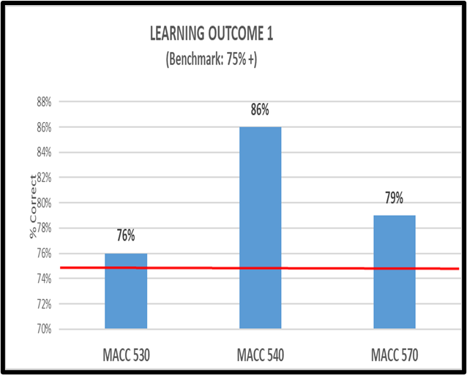 The major objective of our MAcc Program is to prepare our students to enter the public accounting profession. Passing the Uniform CPA Exam is the common qualification to enter public accountancy in all US jurisdictions. Our MACC Program curriculum has been created to provide the knowledge, skills, and practice for students to pass all four parts of the CPA Exam. Our curriculum is broken into two categories. The first category is called our “core courses”. The content in these courses is mapped directly back to the subject matter of the uniform CPA Exam and our learning outcomes. The remaining curriculum consists of “interdisciplinary courses” that contain the knowledge and skills required of a CPA that extend beyond the core courses. We measure the accomplishment of our goals and learning outcomes through a final assessment of the students’ overall accomplishment of the course learning objectives. We have set the benchmark of an average of 75% (correct answers) in the final assessments of our core courses. We believe achieving or exceeding the benchmark score is a reasonable predictor of students’ success in passing the CPA Exam. All our core course assessments resulted in average scores in excess of our benchmarks in the last AY with one exception. We added one more course (MACC 585) to our core courses. The MACC 585 class did achieve an overall score (76%) that exceeded our benchmark. However, this score was a combination of two parts. One part, “not-for-profit accounting” (NFP) reported a score of 72% while the other part (governmental accounting) reported a score of 80%. We have examined the section containing NFP accounting. We have concluded we need to include more study and practice materials covering NFP, especially since many students do not receive NFP instruction in their undergraduate accounting work. core of 72% while the other part (governmental accounting) reported a score of 80%. We have examined the section containing NFP accounting.
Learning Outcome Two: Students will develop their technical skills with advanced topics in financial accounting and managerial accounting. MAcc students will further develop their understanding of tax law while engaging in business planning. MAcc students will enhance their knowledge of auditing to apply tools and techniques for fraud prevention and detection. | The outcome is assessed in: - MACC 510 - MACC 520 - MACC 530 - MACC 540 - MACC 570 - MACC 585 Supporting classes include: - MACC 550 - MACC 560 - MACC 580 | Each final exam in the following courses represent simulations of the following sections of the CPA exam: - MACC 510: Financial Accounting & Reporting I - MACC 520: Financial Accounting & Reporting II - MACC 530: Business Environment Concepts - MACC 540: Auditing - MACC 570: Regulations - MACC 585: Accounting for Governemtnal & NFP Organizations | Latest exams/assessments were perfomred in the following semesters/AY: - MACC 510: Fall Semester 2021 - MACC 520: Fall Semester 2021 - MACC 530: Summer Semester 2020 - MACC 540: Spring Semester 2021 - MACC 570: Summer Semester 2020 - MACC 585: Spring D4 | Objective: 75% or better class average score on final exams for MACC 510, MACC 520, MACC 530, MACC 540 and MACC 570. MACC 510 - Final Exam Scores 79.1% (2020/21) MACC 520 - Final Exam Scores 85.3% (2020/21) MACC 530 – Final Exam Scores 87.6% (2019/20); 76% (2020/21) MACC 540 – Final Exam Scores 81.9% (2019/20); 87% (2021/22) MACC 570 – Final Exam Scores 83.8% (2019/20); 79% (2021/22) MACC 530 & 570 run in the summer semester are assessed in the prior AY
Learning Outcome Three Students will understand the importance of deriving information from data using accounting information systems (AIS). Students will understand the importance of the International Financial Reporting Standards (IFRS). Students will prepare to take the CPA exam. | The outcome is assessed in: - MACC 510 - MACC 520 - MACC 530 - MACC 540 - MACC 570 - MACC 585 Supporting classes include: - MACC 550 - MACC 560 - MACC 580 | Each final exam in the following courses represent simulations of the following sections of the CPA exam: - MACC 510: Financial Accounting & Reporting - MACC 520: Financial Accounting & Reporting - MACC 530: Business Environment Concepts - MACC 540: Auditing & Atttestation - MACC 570: Regulations - MACC 585 Governmental & NFP Accounting | Latest exams/assessments were perfomred in the following semesters/AY: - MACC 510: Fall Semester 2021 - MACC 520: Fall Semester 2021 - MACC 530: Summer Semester 2020 - MACC 540: Spring Semester 2021 - MACC 570: Summer Semester 2020 - MACC 585: Spring Semester 2021 | Objective: 75% or better class average score on final exams for MACC 510, MACC 520, MACC 530, MACC 540 and MACC 570. MACC 510 - Final Exam Scores 73.9% (2020); 87% (2021) MACC 520 - Final Exam Scores na (2020); 87% (2021) MACC 530 – Final Exam Scores 87.6% (2019); 76% (2020) MACC 540 – Final Exam Scores 81.9% (2020); 87% (2021) MACC 570 – Final Exam Scores 83.8% (2019); 79% (2020) MACC 585 - Final Exam Score NA (2020); 76% (2021) MACC 530 & 570 run in the summer semester are assessed in the prior AY |  | 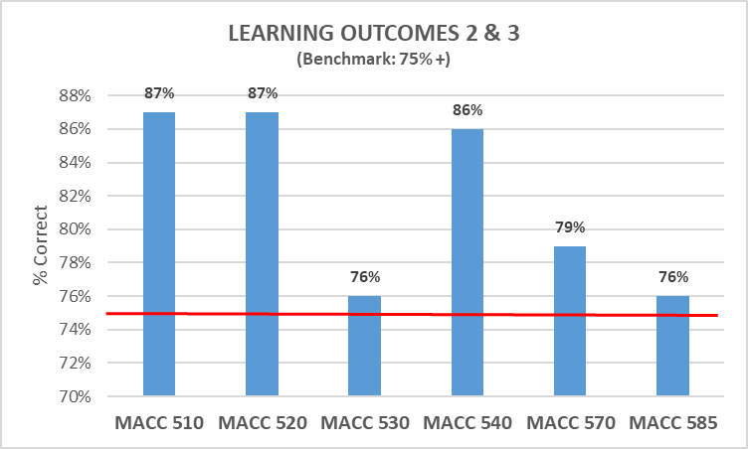
Learning Outcome Four: Students will further develop professionally by participating and successfully completing an internship, a self-directed research project or study abroad opportunity. As part of their internship, self-directed research project or study abroad, students will further develop and refine their interpersonal skills, including effective communication, research skills, critical thinking, and leadership skills, including team building and motivation, while maintaining personal and organizational integrity. | MACC 590 Supporting classes include: - MACC 510 - MACC 520 - MACC 530 - MACC 540 - MACC 550 - MACC 560 - MACC 570 - MACC 580 - MACC 585 | Internship – Written paper describing experience learned during internship and how experience enhanced student’s - Leadership & organizational skills - Understanding of Self and Beliefs as a Global Citizen - Propensity for Engaging in Life-Long Learning - Expertise in a Specific Area / Research project – Written research paper on “agreed to” subject. Also, to include how subject matter relates to student’s: - Leadership & organizational skills - Understanding of Self and Beliefs as a Global Citizen - Propensity for Engaging in Life-Long Learning | Throughout the Summer, Fall & Spring Semesters | Each student completed work in MACC 590 in excess of the 75% benchmark

Marketing
Group Work
 |  | Benchmark
21/22 AY Group Work | 0.925 | 75%
 |  | 75%
 |  | Benchmark
21/22 AY Group Work | 93% | 75%
 |  | 75%

IB Concepts
 |  | Benchmark
21/22 AY IB Concepts | 0.4889 | 50%
 |  | 50%
IB Concepts
 |  | Benchmark
21/22 AY IB Concepts | 0.4889 | 50%
 |  | 50%
 |  | Benchmark
21/22 AY IB Concepts | 49% | 50%
 |  | 50%

Marketing Concepts
 |  | Benchmark
21/22 AY Marketing | 0.5667 | 50%
 |  | 50%

Ethics
 |  | Benchmark
21/22 AY Ethics | 0.5111 | 50%
 |  | 50%

 |  | Benchmark
21/22 AY Ethics | 51% | 50%
 |  | 50%

 |  | Benchmark
21/22 AY Marketing | 57% | 50%
 |  | 50%

International Business
Critical Analysis Results against Benchmark

 |  |  |  |  |  | Benchmark
 |  |  |  | Presentation | 80% | 80%
 |  |  |  | Writing | 80% | 80%

 |  | Benchmark
Ethics | 88% | 81%
 | 50% | 50%

Mastery of IB Concepts
 |  |  |  |  | Benchmark
 |  |  | Capstone Project | 80% | 70%
 |  |  | Peregrine Exam | 54% | 50%
 |  |  | Internal Assessment | 75% | 75%

Group Work
 |  |  |  |  | Benchmark
 |  |  | 20/21 AY Group Work | 95% | 75%
 |  |  | 21/22 AY Group Work | 83% | 75%

Critical Analysis Results Against Benchmark
 |  | Benchmark
Critical Analysis | 75% | 75%
. |  | 75%
 |  |  |  |  | Benchmark
 |  |  | Critical Analysis | 75% | 75%
 |  |  | . |  | 75%

Ethics Results Against Benchmark
 |  |  |  |  | Benchmark
 |  |  | Ethics | 91% | 81%
 |  |  | Peregrine Results | 50% | 50%

Ethics

 |  |  |  |  | Benchmark
 |  |  | 20/21 AY Ethics | 50% | 50%
 |  |  | 21/22 AY Ethics | 60% | 50%

Mastery of IB Concepts

 |  |  |  |  | Benchmark
 |  |  | 20/21 AY IB Concepts | 54% | 50%
 |  |  | 21/22 AY IB Concepts | 58% | 50%

FINANCE
Learning Objective 1
Learning Objective 2
 | Actual | Benchmark
Learning Objective 3
 | Actual | Benchmark
LO1 | 2021 | 2022
Benchmark | 0.75 | 0.75
Actual | 0.8 | 1

LO2
Benchmark
Actual

LO3
Benchmark
Actual

LO4
Benchmark | 0.5 | 0.5
Actual | 0.75 | 0.7

LO5
Benchmark | 0.5 | 0.5
Actual | 0.8113 | 0.5333
Learning Objective 4
Learning Objective 5
Learning Objective 6
LO6
Benchmark | 0.5 | 0.5
Actual | 0.75 | 0.8667

Business Management
Group Work
 | Group Work | Benchmark
Group Work | 0.946 | 75%
 |  | 75%
 |  | Benchmark
Group Work | 95% | 75%
 |  | 75%

International Economy
 |  | Benchmark
International | 59% | 50%
Economics | 59% | 50%

Core Areas
 |  | Benchmark
Quantitative | 63% | 50%
Marketing | 67% | 50%
Management | 58% | 50%
Accounting | 63% | 50%

Ethics
 | Ethics | Benchmark
Ethics | 66% | 50%
 |  | 50%
 |  | Benchmark
Ethics | 66% | 50%
 |  | 50%

